Description
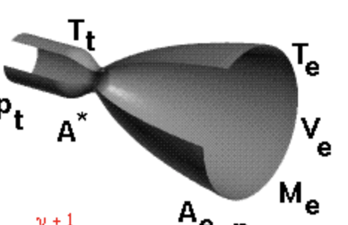
Nozzle
 |  | Description |  | Calculations

Gas Constant (R) | M = Gas Molecular Weight (Combustion of gaseous/hydrocarbon fuel) = 24 |  |  | 65
 | Universal Gas Constant (R_bar) = 1545.32 ft-lb/lb(deg)
 | R = R_bar / M
 | R = 1545.32 / 24 = 64.28 ft-lb

Universal gas constant (R_bar) | R_bar = 1545 |  |  | 1545

Gamma(y) | Gamma = 1.2 |  |  | 1.2

Ratio of Specific Heats | Gas Constant / gas molecular weight |  |  | 64.375 | !! Change gas molecular weight

Earths Gravitation (g) | 32.2 ft/sec^2 |  |  | 32.2

Propellant Flow Rate (wt) | Thrust / Impulse |  |  | 490.3325

Fuel Flow Rate (wf) | (Propellant Flow Rate / Mixture Ratio) + 1 |  |  | 378.17884615

Oxidizer Flow Rate (wo) | Propellant Flow Rate - Fuel Flow Rate |  |  | 112.15365385

Chamber Temperature (Tc) | Combustion Temperature + 460 |  |  | 6102.33

Throat Temperature (Tt) | 0.909 * Chamber Temperature |  |  | 5547.01797

Throat Pressure (Pt) | 0.564 * Chamber Pressure |  |  | 56.4

Throat Radius (Rt) | sqrt(Throat Area / PI) |  |  | 6.5594229864

Throat Diameter (Dt) | SQRT(4 * Throat Aea / PI) |  |  | 13.118845973

Throat Area (At) | (wt/ Pt) * SQRT((R * Tt) / (y * g) |  |  | 135.10173393

Exit Area (Ae) | 3.65 * Throat Area |  |  | 493.12132886

Exit Diameter (De) | SQRT(4 * Exit Area / Pi) |  | in | 25.063520039

Exit Velocity | 2 / (SHR - 1) * [((Chamber Pressure / Atm Pressure) ^ (SHR - 1 / SHR)) - 1] |  |  | 10.200466442 | !!

Nozzle Length (Lnozzle) | Covergent Length + Divergent Length |  | in | #NAME?

Convergent Length (Lconvergent) | (Dt / 2) * SIN(RADIANS(throat radius - 90 + 180)) / SIN(RADIANS(throat radius) |  | in | #NAME?

Divergent Length (Ldivergent) | (De / 2) * SIN(Nozzle Angles - 90 + 180) / SIN(Nozzle Angles) |  | in

Chamber Volume (Vc) | L* x Throat Area |  | in^3

Chamber Area (Ac) | Throat Area * contraction area ratio

Chamber Radius (Rc) | sqrt(Chamber Area / pi) |  |  | 0

Chamber Diameter (Dc) | 2 * Chamber Radius |  | in

Chamber Area |  |  | in

Chamber Length |  |  | in

Chamber Characteristic Length (L*) | Chamber Volume / Throat Area |  |  | 0

Characteristic Velocity | sqrt(gamma * Rspecific * Tc) / ( gamma * sqrt((2 / (gamma + 1)) ** ((gamma + 1) / (gamma - 1))) ) |  |  | 2.5982911573

